main page
Main page-Closed economy | See results with current data |  |  | Shocks |  |  |  |  |  |  |  | Stabilization Policy

 |  |  |  | Deterministic but unexpected shocks |  |  |  |  |  |  |  | Monetary

In period 10 there is a change in inflation target
 | 2
 |  |  |  | Supply shock in t=5 |  |  | Demand shock in t=5 |  |  |  |  | Inflation target
 |  |  |  | Size |  | % | Size |  |  | % |  | Initial inflation target |  |  | 2.00 | %
 |  |  |  | Permanence | 3 |  | Permanence |  | 2
 |  |  |  | Inflationary shock in t=5 |  |  | Change of commercial banks' risk premium in t=5 |  |  |  |  | Type the new target |  |  |  | %
 |  |  |  | Size |  | % | Size of risk premium |  |  | % |  | Central bank's preferences

 |  |  |  |  |  |  |  |  |  |  |  | Preference for inflation stabilization vs income stabilization |  |  | 1
 |  |  |  | Random shocks every three periods
 | Save results with current data to compare different scenarios
 |  |  |  | Shock occurence |  |  |  | Size |  | %

 |  |  |  |  |  |  |  |  |  |  |  | Public expenditure |  |  |  |  | 0
 |  |  |  |  |  |  |  |  |  |  |  |  |  |  |  |  | 0
 |  |  |  |  |  |  |  |  |  |  |  | Size of the increase (+)/decrease (-) in public expenditure |  |  |  | %
 |  |  |  | Parameters
 |  |  |  | Stabilizing real interest rate |  |  |  |  | 4 | % |  | Period when the fiscal change is implemented |  |  | 5
 | Reset to a no-shocks, no-policy, baseline parameter values scenario |  |  | Sensitivity of inflation wrt output gap |  |  |  |  | 1
 |  |  |  |  |  |  |  |  |  |  |  | Permanence |  |  | temporary | 2
 |  |  |  | Sensitivity of expenditure wrt interest rate |  |  |  |  | 2

 |  |  |  | Degree of inflation inertia/credibility of central bank |  |  |  |  | 1 |  | Public finance

 | Apply your own monetary policy |  |  |  |  |  |  |  |  |  |  | Tax rate (initial tax revenues/GDP) |  |  | 20.00 | %
 |  |  |  |  |  |  |  |  |  |  |  | Initial public expenditures/GDP |  |  | 20.00 | %
 |  |  |  | Long run growth |  |  |  |  |  |  |  | Initial public debt/GDP |  |  | 0.00 | %
 | 1 | 1 |  | Long-run economic growth
 |  |  |  | Growth rate |  |  |  |  |  | % |  |  | 0

 |  |  | Hysteresis
 | 1
 |  |  |  | Show the effect of a change in inflation target or a demand shock when there is hysteresis

 |  |  |  |  |  |  |  |  |  |  |  |  | 2
 |  |  |  |  |  |  |  |  |  |  |  |  | 0 | 0
 |  |  |  |  |  |  |  |  |  |  |  |  | 0 | 2

 |  |  |  | 2

 |  |  |  | 4
 |  |  |  |  | 1

exchange rates
Real exchange rate
1 | 0.00
2 | 0.00
3 | 0.00
4 | 0.00
5 | 0.00
6 | 0.00
7 | 0.00
8 | 0.00
9 | 0.00
10 | 0.00
11 | 0.00
12 | 0.00
13 | 0.00
14 | 0.00
15 | 0.00
16 | 0.00
17 | 0.00
18 | 0.00
19 | 0.00
20 | 0.00
Nominal exchange rate
1 | 0.000
2 | 0.000
3 | 0.000
4 | 0.000
5 | 0.000
6 | 0.000
7 | 0.000
8 | 0.000
9 | 0.000
10 | 0.000
11 | 0.000
12 | 0.000
13 | 0.000
14 | 0.000
15 | 0.000
16 | 0.000
17 | 0.000
18 | 0.000
19 | 0.000
20 | 0.000

Your input data in "main page"
Main page-Closed economy

Trade balance/GDP
 | trade balance/GDP
1 | 0.0%
2 | 0.0%
3 | 0.0%
4 | 0.0%
5 | 0.0%
6 | 0.0%
7 | 0.0%
8 | 0.0%
9 | 0.0%
10 | 0.0%
11 | 0.0%
12 | 0.0%
13 | 0.0%
14 | 0.0%
15 | 0.0%
16 | 0.0%
17 | 0.0%
18 | 0.0%
19 | 0.0%
Current account/GDP
 | current account/GDP
1 | 0.0%
2 | 0.0%
3 | 0.0%
4 | 0.0%
5 | 0.0%
6 | 0.0%
7 | 0.0%
8 | 0.0%
9 | 0.0%
10 | 0.0%
11 | 0.0%
12 | 0.0%
13 | 0.0%
14 | 0.0%
15 | 0.0%
16 | 0.0%
17 | 0.0%
18 | 0.0%
19 | 0.0%
Supply shock in t=5 | no
Demand shock in t=5 | no
Random supply shocks everytime | no
Random demand shocks everytime | no
Change in inflation target in t=10 | no
Stabilization fiscal measure | no

 | NIIP/GDP
1 | 0.0%
2 | 0.0%
3 | 0.0%
4 | 0.0%
5 | 0.0%
6 | 0.0%
7 | 0.0%
8 | 0.0%
9 | 0.0%
10 | 0.0%
11 | 0.0%
12 | 0.0%
13 | 0.0%
14 | 0.0%
15 | 0.0%
16 | 0.0%
17 | 0.0%
18 | 0.0%
19 | 0.0%

gráficos PC, MR, IS
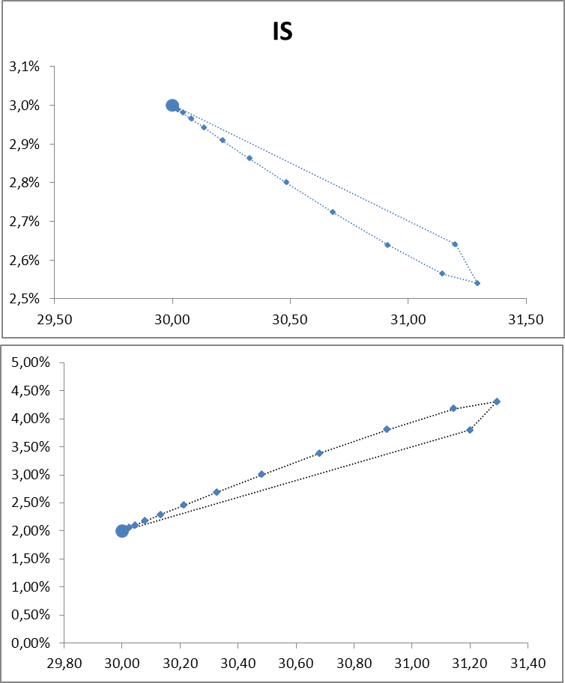
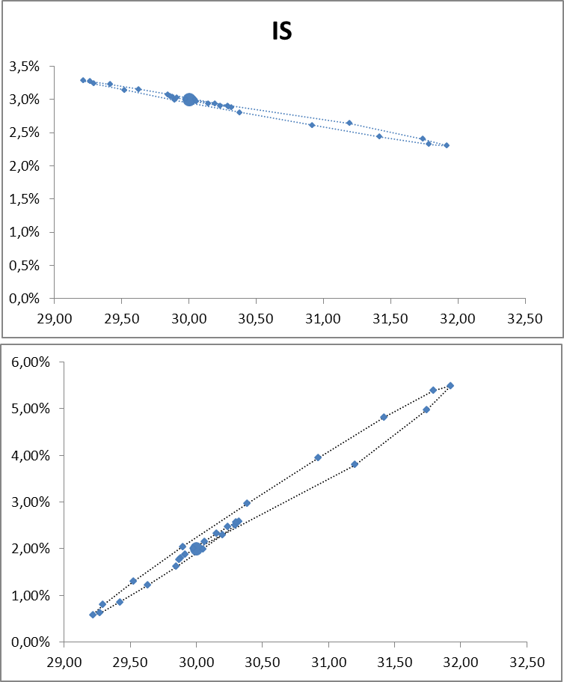
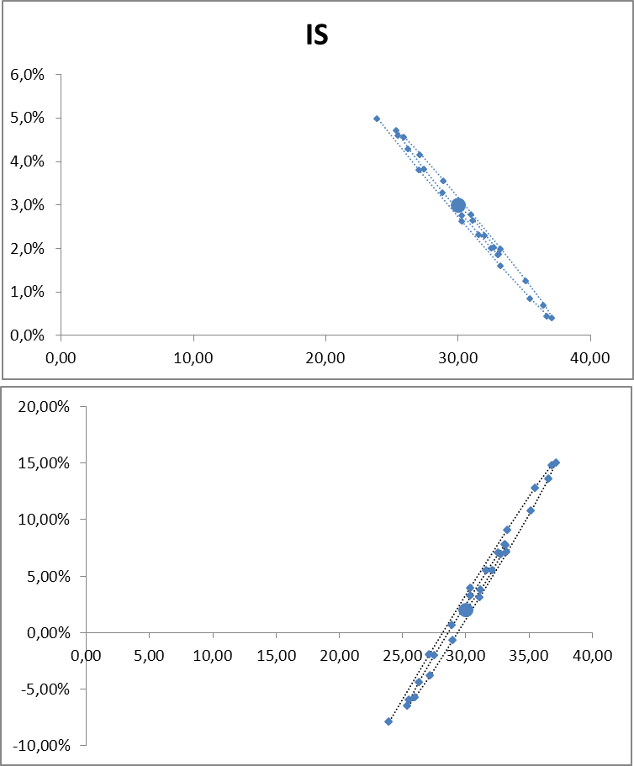

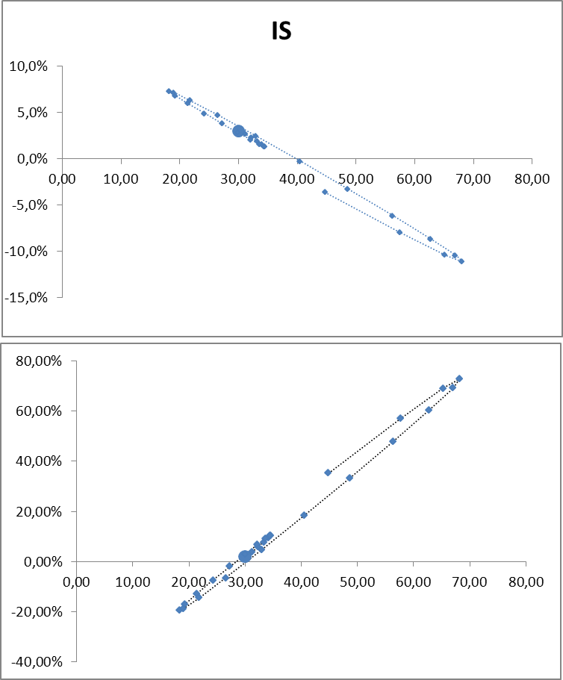
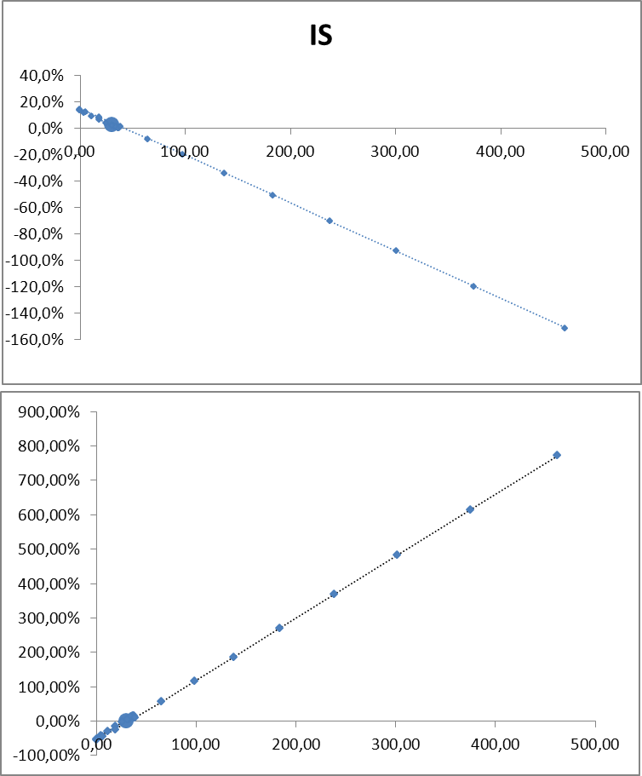

 | IS
100.00 | 4.0%
100.00 | 4.0%
100.00 | 4.0%
100.00 | 4.0%
100.00 | 4.0%
100.00 | 4.0%
100.00 | 4.0%
100.00 | 4.0%
100.00 | 4.0%
100.00 | 4.0%
100.00 | 4.0%
100.00 | 4.0%
100.00 | 4.0%
100.00 | 4.0%
100.00 | 4.0%
100.00 | 4.0%
100.00 | 4.0%
100.00 | 4.0%
100.00 | 4.0%
100.00 | 4.0%
100.00 | 4.0%
100.00 | 4.0%
100.00 | 4.0%
100.00 | 4.0%
100.00 | 4.0%
100.00 | 4.0%
100.00 | 4.0%
100.00 | 4.0%

100.00 | 2.00%
100.00 | 2.00%
100.00 | 2.00%
100.00 | 2.00%
100.00 | 2.00%
100.00 | 2.00%
100.00 | 2.00%
100.00 | 2.00%
100.00 | 2.00%
100.00 | 2.00%
100.00 | 2.00%
100.00 | 2.00%
100.00 | 2.00%
100.00 | 2.00%
100.00 | 2.00%
100.00 | 2.00%
100.00 | 2.00%
100.00 | 2.00%
100.00 | 2.00%
100.00 | 2.00%
100.00 | 2.00%
100.00 | 2.00%
100.00 | 2.00%
100.00 | 2.00%
100.00 | 2.00%
100.00 | 2.00%
100.00 | 2.00%
100.00 | 2.00%

inflation, income and inter-2
GDP
 | Actual GDP | Potential GDP
1 | 100.0 | 100.0
2 | 100.0 | 100.0
3 | 100.0 | 100.0
4 | 100.0 | 100.0
5 | 100.0 | 100.0
6 | 100.0 | 100.0
7 | 100.0 | 100.0
8 | 100.0 | 100.0
9 | 100.0 | 100.0
10 | 100.0 | 100.0
11 | 100.0 | 100.0
12 | 100.0 | 100.0
13 | 100.0 | 100.0
14 | 100.0 | 100.0
15 | 100.0 | 100.0
16 | 100.0 | 100.0
17 | 100.0 | 100.0
18 | 100.0 | 100.0
19 | 100.0 | 100.0
20 | 100.0 | 100.0
Output gap (actual-potential GDP) as % of potential GDP
1 | 0.0%
2 | 0.0%
3 | 0.0%
4 | 0.0%
5 | 0.0%
6 | 0.0%
7 | 0.0%
8 | 0.0%
9 | 0.0%
10 | 0.0%
11 | 0.0%
12 | 0.0%
13 | 0.0%
14 | 0.0%
15 | 0.0%
16 | 0.0%
17 | 0.0%
18 | 0.0%
19 | 0.0%
20 | 0.0%

Your input data in "main page"
Main page-Closed economy

Supply shock in t=5 | no
Demand shock in t=5 | no
Random shocks every three periods | no
Change in inflation target in t=10 | no
Stabilization fiscal measure | no
Hysteresis | no

 |  | 0

GDP (with hysteresis)
 | Actual GDP | Potential GDP
1 | 100.0 | 100.0
2 | 100.0 | 100.0
3 | 100.0 | 100.0
4 | 100.0 | 100.0
5 | 100.0 | 100.0
6 | 100.0 | 100.0
7 | 100.0 | 100.0
8 | 100.0 | 100.0
9 | 100.0 | 100.0
10 | 100.0 | 100.0
11 | 100.0 | 100.0
12 | 100.0 | 100.0
13 | 100.0 | 100.0
14 | 100.0 | 100.0
15 | 100.0 | 100.0
16 | 100.0 | 100.0
17 | 100.0 | 100.0
18 | 100.0 | 100.0
19 | 100.0 | 100.0
20 |  | 100.0
Output gap (actual-potential GDP) as % of potential GDP (with hysteresis)
1 | 0.00%
2 | 0.00%
3 | 0.00%
4 | 0.00%
5 | 0.00%
6 | 0.00%
7 | 0.00%
8 | 0.00%
9 | 0.00%
10 | 0.00%
11 | 0.00%
12 | 0.00%
13 | 0.00%
14 | 0.00%
15 | 0.00%
16 | 0.00%
17 | 0.00%
18 | 0.00%
19 | 0.00%
20 | 0.00%

 |  |  | FALSE
 |  |  | FALSE

 |  |  |  | 0

inflation, income and interest
Inflation (%)
 |  | HISTÉRESIS | RETRASO PERCEPCIÓN | randomshocks
1 | 2.0
2 | 2.0
3 | 2.0
4 | 2.0
5 | 2.0
6 | 2.0
7 | 2.0
8 | 2.0
9 | 2.0
10 | 2.0
11 | 2.0
12 | 2.0
13 | 2.0
14 | 2.0
15 | 2.0
16 | 2.0
17 | 2.0
18 | 2.0
19 | 2.0
20 | 2.0
Lending interest rates (%)
 | nominal | real | randomshocksnominal | nominal hysteresis | nominal delay perception | real hysteresis | randomshocksreal | real delay perception
1 | 6.0000 | 4.00
2 | 6.0000 | 4.00
3 | 6.0000 | 4.00
4 | 6.0000 | 4.00
5 | 6.0000 | 4.00
6 | 6.0000 | 4.00
7 | 6.0000 | 4.00
8 | 6.0000 | 4.00
9 | 6.0000 | 4.00
10 | 6.0000 | 4.00
11 | 6.0000 | 4.00
12 | 6.0000 | 4.00
13 | 6.0000 | 4.00
14 | 6.0000 | 4.00
15 | 6.0000 | 4.00
16 | 6.0000 | 4.00
17 | 6.0000 | 4.00
18 | 6.0000 | 4.00
19 | 6.0000 | 4.00
20 | 6.0000 | 4.00

Your input data in "main page"
Main page-Closed economy

Supply shock in t=5 |  | no
Demand shock in t=5 |  | no
Random shocks every three periods |  | no
Change in inflation target in t=10 |  | no
Show potential GDP and output gap
Stabilization fiscal measure |  | no
Hysteresis |  | no

GDP
 |  | randomshocksgdp | randomshocksgdp | HISTÉRESIS | RETRASO PERCEPCIÓN
1 | 100.0 | 0 | 0
2 | 100.0
3 | 100.0
4 | 100.0
5 | 100.0
6 | 100.0
7 | 100.0
8 | 100.0
9 | 100.0
10 | 100.0
11 | 100.0
12 | 100.0
13 | 100.0
14 | 100.0
15 | 100.0
16 | 100.0
17 | 100.0
18 | 100.0
19 | 100.0
20 | 100.0
Economic growth
 |  | randomshocksgrowth | HISTÉRESIS | RETRASO PERCEPCIÓN
1
2 | 0.00%
3 | 0.00%
4 | 0.00%
5 | 0.00%
6 | 0.00%
7 | 0.00%
8 | 0.00%
9 | 0.00%
10 | 0.00%
11 | 0.00%
12 | 0.00%
13 | 0.00%
14 | 0.00%
15 | 0.00%
16 | 0.00%
17 | 0.00%
18 | 0.00%
19 | 0.00%
20 | 0.00%

 |  |  | 0
Show the case when it takes five periods for the central bank to recognize a change in equilibrium income (dashed line)

 |  |  |  | simulator
 |  |  |  | FALSE

 |  |  |  |  | 0
2 | 2.00

figures on public finance
Primary budget/GDP
1 | 0.0%
2 | 0.0%
3 | 0.0%
4 | 0.0%
5 | 0.0%
6 | 0.0%
7 | 0.0%
8 | 0.0%
9 | 0.0%
10 | 0.0%
11 | 0.0%
12 | 0.0%
13 | 0.0%
14 | 0.0%
15 | 0.0%
16 | 0.0%
17 | 0.0%
18 | 0.0%
19 | 0.0%
Total budget/GDP
1 | 0.0%
2 | 0.0%
3 | 0.0%
4 | 0.0%
5 | 0.0%
6 | 0.0%
7 | 0.0%
8 | 0.0%
9 | 0.0%
10 | 0.0%
11 | 0.0%
12 | 0.0%
13 | 0.0%
14 | 0.0%
15 | 0.0%
16 | 0.0%
17 | 0.0%
18 | 0.0%
19 | 0.0%

Your input data in "main page"
Main page-Closed economy

Supply shock in t=5 | no
Demand shock in t=5 | no
Random shocks every three periods | no
Change in inflation target in t=10 | no
Public Debt/GDP
1 | 0.0%
2 | 0.0%
3 | 0.0%
4 | 0.0%
5 | 0.0%
6 | 0.0%
7 | 0.0%
8 | 0.0%
9 | 0.0%
10 | 0.0%
11 | 0.0%
12 | 0.0%
13 | 0.0%
14 | 0.0%
15 | 0.0%
16 | 0.0%
17 | 0.0%
18 | 0.0%
19 | 0.0%
Stabilization fiscal measure | no
Tax rate (initial tax revenues/GDP) | 20.0%
Initial public expenditures/GDP | 20.0%
Initial public debt/GDP | 0.0%

 |  | 0

numerical results
Hysteresis
Delay in perception
Baseline
Baseline
 | Baseline |  |  |  |  |  |  |  |  |  |  |  |  |  |  |  | Delay in the perception of supply shokcs |  |  |  |  |  |  |  | Hysteresis
Periods | Output gap | GDP | Growth | Inflation | Lending nom. i.r. | Lending real i.r. | Primary budget balance/GDP | Total budget balance/GDP | Public debt/PIB | Public expenditure/GDP | Tax revenues/GDP | Real exchange rate | Nominal exchange rate | Trade balance/GDP | Current account/GDP | NIIP/GDP | Inflation | Output gap according to CB | True out put gap | GDP | Growth | Lending nominal i.r. | Lending real i.r. | Output gap | Inflation | GDP | Growth | Lending nominal i.r. | Lending real i.r.
1 | 0.0% | 100.00 |  | 2.00% | 6.0% | 4.0% | 0.0% | 0.0% | 0.0% | 20.0% | 20.0%
2 | 0.0% | 100.00 | 0% | 2.00% | 6.0% | 4.0% | 0.0% | 0.0% | 0.0% | 20.0% | 20.0%
3 | 0.0% | 100.00 | 0% | 2.00% | 6.0% | 4.0% | 0.0% | 0.0% | 0.0% | 20.0% | 20.0%
4 | 0.0% | 100.00 | 0% | 2.00% | 6.0% | 4.0% | 0.0% | 0.0% | 0.0% | 20.0% | 20.0%
5 | 0.0% | 100.00 | 0% | 2.00% | 6.0% | 4.0% | 0.0% | 0.0% | 0.0% | 20.0% | 20.0%
6 | 0.0% | 100.00 | 0% | 2.00% | 6.0% | 4.0% | 0.0% | 0.0% | 0.0% | 20.0% | 20.0%
7 | 0.0% | 100.00 | 0% | 2.00% | 6.0% | 4.0% | 0.0% | 0.0% | 0.0% | 20.0% | 20.0%
8 | 0.0% | 100.00 | 0% | 2.00% | 6.0% | 4.0% | 0.0% | 0.0% | 0.0% | 20.0% | 20.0%
9 | 0.0% | 100.00 | 0% | 2.00% | 6.0% | 4.0% | 0.0% | 0.0% | 0.0% | 20.0% | 20.0%
10 | 0.0% | 100.00 | 0% | 2.00% | 6.0% | 4.0% | 0.0% | 0.0% | 0.0% | 20.0% | 20.0%
11 | 0.0% | 100.00 | 0% | 2.00% | 6.0% | 4.0% | 0.0% | 0.0% | 0.0% | 20.0% | 20.0%
12 | 0.0% | 100.00 | 0% | 2.00% | 6.0% | 4.0% | 0.0% | 0.0% | 0.0% | 20.0% | 20.0%
13 | 0.0% | 100.00 | 0% | 2.00% | 6.0% | 4.0% | 0.0% | 0.0% | 0.0% | 20.0% | 20.0%
14 | 0.0% | 100.00 | 0% | 2.00% | 6.0% | 4.0% | 0.0% | 0.0% | 0.0% | 20.0% | 20.0%
15 | 0.0% | 100.00 | 0% | 2.00% | 6.0% | 4.0% | 0.0% | 0.0% | 0.0% | 20.0% | 20.0%
16 | 0.0% | 100.00 | 0% | 2.00% | 6.0% | 4.0% | 0.0% | 0.0% | 0.0% | 20.0% | 20.0%
17 | 0.0% | 100.00 | 0% | 2.00% | 6.0% | 4.0% | 0.0% | 0.0% | 0.0% | 20.0% | 20.0%
18 | 0.0% | 100.00 | 0% | 2.00% | 6.0% | 4.0% | 0.0% | 0.0% | 0.0% | 20.0% | 20.0%
19 | 0.0% | 100.00 | 0% | 2.00% | 6.0% | 4.0% | 0.0% | 0.0% | 0.0% | 20.0% | 20.0%
20 | 0.0% | 100.00 | 0% | 2.00% | 6.0% | 4.0% | 0.0% | 0.0% | 0.0% | 20.0% | 20.0%
21 | 0.0% | 100.00 | 0% | 2.00% | 6.0% | 4.0% | 0.0% | 0.0% | 0.0% | 20.0% | 20.0%
22 | 0.0% | 100.00 | 0% | 2.00% | 6.0% | 4.0% | 0.0% | 0.0% | 0.0% | 20.0% | 20.0%
23 | 0.0% | 100.00 | 0% | 2.00% | 6.0% | 4.0% | 0.0% | 0.0% | 0.0% | 20.0% | 20.0%
24 | 0.0% | 100.00 | 0% | 2.00% | 6.0% | 4.0% | 0.0% | 0.0% | 0.0% | 20.0% | 20.0%
25 | 0.0% | 100.00 | 0% | 2.00% | 6.0% | 4.0% | 0.0% | 0.0% | 0.0% | 20.0% | 20.0%
26 | 0.0% | 100.00 | 0% | 2.00% | 6.0% | 4.0% | 0.0% | 0.0% | 0.0% | 20.0% | 20.0%
27 | 0.0% | 100.00 | 0% | 2.00% | 6.0% | 4.0% | 0.0% | 0.0% | 0.0% | 20.0% | 20.0%
28 | 0.0% | 100.00 | 0% | 2.00% | 6.0% | 4.0% | 0.0% | 0.0% | 0.0% | 20.0% | 20.0%
29 | 0.0% | 100.00 | 0% | 2.00% | 6.0% | 4.0% | 0.0% | 0.0% | 0.0% | 20.0% | 20.0%
30 | 0.0% | 100.00 | 0% | 2.00% | 6.0% | 4.0% | 0.0% | 0.0% | 0.0% | 20.0% | 20.0%
31 | 0.0% | 100.00 | 0% | 2.00% | 6.0% | 4.0% | 0.0% | 0.0% | 0.0% | 20.0% | 20.0%
32 | 0.0% | 100.00 | 0% | 2.00% | 6.0% | 4.0% | 0.0% | 0.0% | 0.0% | 20.0% | 20.0%
33 | 0.0% | 100.00 | 0% | 2.00% | 6.0% | 4.0% | 0.0% | 0.0% | 0.0% | 20.0% | 20.0%
34 | 0.0% | 100.00 | 0% | 2.00% | 6.0% | 4.0% | 0.0% | 0.0% | 0.0% | 20.0% | 20.0%
35 | 0.0% | 100.00 | 0% | 2.00% | 6.0% | 4.0% | 0.0% | 0.0% | 0.0% | 20.0% | 20.0%
36 | 0.0% | 100.00 | 0% | 2.00% | 6.0% | 4.0% | 0.0% | 0.0% | 0.0% | 20.0% | 20.0%
37 | 0.0% | 100.00 | 0% | 2.00% | 6.0% | 4.0% | 0.0% | 0.0% | 0.0% | 20.0% | 20.0%
38 | 0.0% | 100.00 | 0% | 2.00% | 6.0% | 4.0% | 0.0% | 0.0% | 0.0% | 20.0% | 20.0%
39 | 0.0% | 100.00 | 0% | 2.00% | 6.0% | 4.0% | 0.0% | 0.0% | 0.0% | 20.0% | 20.0%
40 | 0.0% | 100.00 | 0% | 2.00% | 6.0% | 4.0% | 0.0% | 0.0% | 0.0% | 20.0% | 20.0%
41 | 0.0% | 100.00 | 0% | 2.00% | 6.0% | 4.0% | 0.0% | 0.0% | 0.0% | 20.0% | 20.0%
42 | 0.0% | 100.00 | 0% | 2.00% | 6.0% | 4.0% | 0.0% | 0.0% | 0.0% | 20.0% | 20.0%
43 | 0.0% | 100.00 | 0% | 2.00% | 6.0% | 4.0% | 0.0% | 0.0% | 0.0% | 20.0% | 20.0%
44 | 0.0% | 100.00 | 0% | 2.00% | 6.0% | 4.0% | 0.0% | 0.0% | 0.0% | 20.0% | 20.0%
45 | 0.0% | 100.00 | 0% | 2.00% | 6.0% | 4.0% | 0.0% | 0.0% | 0.0% | 20.0% | 20.0%
46 | 0.0% | 100.00 | 0% | 2.00% | 6.0% | 4.0% | 0.0% | 0.0% | 0.0% | 20.0% | 20.0%
47 | 0.0% | 100.00 | 0% | 2.00% | 6.0% | 4.0% | 0.0% | 0.0% | 0.0% | 20.0% | 20.0%
48 | 0.0% | 100.00 | 0% | 2.00% | 6.0% | 4.0% | 0.0% | 0.0% | 0.0% | 20.0% | 20.0%
49 | 0.0% | 100.00 | 0% | 2.00% | 6.0% | 4.0% | 0.0% | 0.0% | 0.0% | 20.0% | 20.0%
50 | 0.0% | 100.00 | 0% | 2.00% | 6.0% | 4.0% | 0.0% | 0.0% | 0.0% | 20.0% | 20.0%
51 | 0.0% | 100.00 | 0% | 2.00% | 6.0% | 4.0% | 0.0% | 0.0% | 0.0% | 20.0% | 20.0%
52 | 0.0% | 100.00 | 0% | 2.00% | 6.0% | 4.0% | 0.0% | 0.0% | 0.0% | 20.0% | 20.0%
53 | 0.0% | 100.00 | 0% | 2.00% | 6.0% | 4.0% | 0.0% | 0.0% | 0.0% | 20.0% | 20.0%
54 | 0.0% | 100.00 | 0% | 2.00% | 6.0% | 4.0% | 0.0% | 0.0% | 0.0% | 20.0% | 20.0%
55 | 0.0% | 100.00 | 0% | 2.00% | 6.0% | 4.0% | 0.0% | 0.0% | 0.0% | 20.0% | 20.0%
56 | 0.0% | 100.00 | 0% | 2.00% | 6.0% | 4.0% | 0.0% | 0.0% | 0.0% | 20.0% | 20.0%
57 | 0.0% | 100.00 | 0% | 2.00% | 6.0% | 4.0% | 0.0% | 0.0% | 0.0% | 20.0% | 20.0%
58 | 0.0% | 100.00 | 0% | 2.00% | 6.0% | 4.0% | 0.0% | 0.0% | 0.0% | 20.0% | 20.0%
59 | 0.0% | 100.00 | 0% | 2.00% | 6.0% | 4.0% | 0.0% | 0.0% | 0.0% | 20.0% | 20.0%
60 | 0.0% | 100.00 | 0% | 2.00% | 6.0% | 4.0% | 0.0% | 0.0% | 0.0% | 20.0% | 20.0%
61 | 0.0% | 100.00 | 0% | 2.00% | 6.0% | 4.0% | 0.0% | 0.0% | 0.0% | 20.0% | 20.0%
62 | 0.0% | 100.00 | 0% | 2.00% | 6.0% | 4.0% | 0.0% | 0.0% | 0.0% | 20.0% | 20.0%
63 | 0.0% | 100.00 | 0% | 2.00% | 6.0% | 4.0% | 0.0% | 0.0% | 0.0% | 20.0% | 20.0%
64 | 0.0% | 100.00 | 0% | 2.00% | 6.0% | 4.0% | 0.0% | 0.0% | 0.0% | 20.0% | 20.0%
65 | 0.0% | 100.00 | 0% | 2.00% | 6.0% | 4.0% | 0.0% | 0.0% | 0.0% | 20.0% | 20.0%
66 | 0.0% | 100.00 | 0% | 2.00% | 6.0% | 4.0% | 0.0% | 0.0% | 0.0% | 20.0% | 20.0%
67 | 0.0% | 100.00 | 0% | 2.00% | 6.0% | 4.0% | 0.0% | 0.0% | 0.0% | 20.0% | 20.0%
68 | 0.0% | 100.00 | 0% | 2.00% | 6.0% | 4.0% | 0.0% | 0.0% | 0.0% | 20.0% | 20.0%
69 | 0.0% | 100.00 | 0% | 2.00% | 6.0% | 4.0% | 0.0% | 0.0% | 0.0% | 20.0% | 20.0%
70 | 0.0% | 100.00 | 0% | 2.00% | 6.0% | 4.0% | 0.0% | 0.0% | 0.0% | 20.0% | 20.0%
71 | 0.0% | 100.00 | 0% | 2.00% | 6.0% | 4.0% | 0.0% | 0.0% | 0.0% | 20.0% | 20.0%
72 | 0.0% | 100.00 | 0% | 2.00% | 6.0% | 4.0% | 0.0% | 0.0% | 0.0% | 20.0% | 20.0%
73 | 0.0% | 100.00 | 0% | 2.00% | 6.0% | 4.0% | 0.0% | 0.0% | 0.0% | 20.0% | 20.0%
74 | 0.0% | 100.00 | 0% | 2.00% | 6.0% | 4.0% | 0.0% | 0.0% | 0.0% | 20.0% | 20.0%
75 | 0.0% | 100.00 | 0% | 2.00% | 6.0% | 4.0% | 0.0% | 0.0% | 0.0% | 20.0% | 20.0%
76 | 0.0% | 100.00 | 0% | 2.00% | 6.0% | 4.0% | 0.0% | 0.0% | 0.0% | 20.0% | 20.0%
77 | 0.0% | 100.00 | 0% | 2.00% | 6.0% | 4.0% | 0.0% | 0.0% | 0.0% | 20.0% | 20.0%
78 | 0.0% | 100.00 | 0% | 2.00% | 6.0% | 4.0% | 0.0% | 0.0% | 0.0% | 20.0% | 20.0%
79 | 0.0% | 100.00 | 0% | 2.00% | 6.0% | 4.0% | 0.0% | 0.0% | 0.0% | 20.0% | 20.0%
80 | 0.0% | 100.00 | 0% | 2.00% | 6.0% | 4.0% | 0.0% | 0.0% | 0.0% | 20.0% | 20.0%
81 | 0.0% | 100.00 | 0% | 2.00% | 6.0% | 4.0% | 0.0% | 0.0% | 0.0% | 20.0% | 20.0%
82 | 0.0% | 100.00 | 0% | 2.00% | 6.0% | 4.0% | 0.0% | 0.0% | 0.0% | 20.0% | 20.0%
83 | 0.0% | 100.00 | 0% | 2.00% | 6.0% | 4.0% | 0.0% | 0.0% | 0.0% | 20.0% | 20.0%
84 | 0.0% | 100.00 | 0% | 2.00% | 6.0% | 4.0% | 0.0% | 0.0% | 0.0% | 20.0% | 20.0%
85 | 0.0% | 100.00 | 0% | 2.00% | 6.0% | 4.0% | 0.0% | 0.0% | 0.0% | 20.0% | 20.0%
86 | 0.0% | 100.00 | 0% | 2.00% | 6.0% | 4.0% | 0.0% | 0.0% | 0.0% | 20.0% | 20.0%
87 | 0.0% | 100.00 | 0% | 2.00% | 6.0% | 4.0% | 0.0% | 0.0% | 0.0% | 20.0% | 20.0%
88 | 0.0% | 100.00 | 0% | 2.00% | 6.0% | 4.0% | 0.0% | 0.0% | 0.0% | 20.0% | 20.0%
89 | 0.0% | 100.00 | 0% | 2.00% | 6.0% | 4.0% | 0.0% | 0.0% | 0.0% | 20.0% | 20.0%
90 | 0.0% | 100.00 | 0% | 2.00% | 6.0% | 4.0% | 0.0% | 0.0% | 0.0% | 20.0% | 20.0%
91 | 0.0% | 100.00 | 0% | 2.00% | 6.0% | 4.0% | 0.0% | 0.0% | 0.0% | 20.0% | 20.0%
92 | 0.0% | 100.00 | 0% | 2.00% | 6.0% | 4.0% | 0.0% | 0.0% | 0.0% | 20.0% | 20.0%
93 | 0.0% | 100.00 | 0% | 2.00% | 6.0% | 4.0% | 0.0% | 0.0% | 0.0% | 20.0% | 20.0%
94 | 0.0% | 100.00 | 0% | 2.00% | 6.0% | 4.0% | 0.0% | 0.0% | 0.0% | 20.0% | 20.0%
95 | 0.0% | 100.00 | 0% | 2.00% | 6.0% | 4.0% | 0.0% | 0.0% | 0.0% | 20.0% | 20.0%
96 | 0.0% | 100.00 | 0% | 2.00% | 6.0% | 4.0% | 0.0% | 0.0% | 0.0% | 20.0% | 20.0%
97 | 0.0% | 100.00 | 0% | 2.00% | 6.0% | 4.0% | 0.0% | 0.0% | 0.0% | 20.0% | 20.0%
98 | 0.0% | 100.00 | 0% | 2.00% | 6.0% | 4.0% | 0.0% | 0.0% | 0.0% | 20.0% | 20.0%
99 | 0.0% | 100.00 | 0% | 2.00% | 6.0% | 4.0% | 0.0% | 0.0% | 0.0% | 20.0% | 20.0%
100 | 0.0% | 100.00 | 0% | 2.00% | 6.0% | 4.0% | 0.0% | 0.0% | 0.0% | 20.0% | 20.0%
101 | 0.0% | 100.00 | 0% | 2.00% | 6.0% | 4.0% | 0.0% | 0.0% | 0.0% | 20.0% | 20.0%
102 | 0.0% | 100.00 | 0% | 2.00% | 6.0% | 4.0% | 0.0% | 0.0% | 0.0% | 20.0% | 20.0%
103 | 0.0% | 100.00 | 0% | 2.00% | 6.0% | 4.0% | 0.0% | 0.0% | 0.0% | 20.0% | 20.0%
104 | 0.0% | 100.00 | 0% | 2.00% | 6.0% | 4.0% | 0.0% | 0.0% | 0.0% | 20.0% | 20.0%
105 | 0.0% | 100.00 | 0% | 2.00% | 6.0% | 4.0% | 0.0% | 0.0% | 0.0% | 20.0% | 20.0%
106 | 0.0% | 100.00 | 0% | 2.00% | 6.0% | 4.0% | 0.0% | 0.0% | 0.0% | 20.0% | 20.0%
107 | 0.0% | 100.00 | 0% | 2.00% | 6.0% | 4.0% | 0.0% | 0.0% | 0.0% | 20.0% | 20.0%
108 | 0.0% | 100.00 | 0% | 2.00% | 6.0% | 4.0% | 0.0% | 0.0% | 0.0% | 20.0% | 20.0%
109 | 0.0% | 100.00 | 0% | 2.00% | 6.0% | 4.0% | 0.0% | 0.0% | 0.0% | 20.0% | 20.0%
110 | 0.0% | 100.00 | 0% | 2.00% | 6.0% | 4.0% | 0.0% | 0.0% | 0.0% | 20.0% | 20.0%
111 | 0.0% | 100.00 | 0% | 2.00% | 6.0% | 4.0% | 0.0% | 0.0% | 0.0% | 20.0% | 20.0%
112 | 0.0% | 100.00 | 0% | 2.00% | 6.0% | 4.0% | 0.0% | 0.0% | 0.0% | 20.0% | 20.0%
113 | 0.0% | 100.00 | 0% | 2.00% | 6.0% | 4.0% | 0.0% | 0.0% | 0.0% | 20.0% | 20.0%
114 | 0.0% | 100.00 | 0% | 2.00% | 6.0% | 4.0% | 0.0% | 0.0% | 0.0% | 20.0% | 20.0%
115 | 0.0% | 100.00 | 0% | 2.00% | 6.0% | 4.0% | 0.0% | 0.0% | 0.0% | 20.0% | 20.0%
116 | 0.0% | 100.00 | 0% | 2.00% | 6.0% | 4.0% | 0.0% | 0.0% | 0.0% | 20.0% | 20.0%
117 | 0.0% | 100.00 | 0% | 2.00% | 6.0% | 4.0% | 0.0% | 0.0% | 0.0% | 20.0% | 20.0%
118 | 0.0% | 100.00 | 0% | 2.00% | 6.0% | 4.0% | 0.0% | 0.0% | 0.0% | 20.0% | 20.0%
119 | 0.0% | 100.00 | 0% | 2.00% | 6.0% | 4.0% | 0.0% | 0.0% | 0.0% | 20.0% | 20.0%
120 | 0.0% | 100.00 | 0% | 2.00% | 6.0% | 4.0% | 0.0% | 0.0% | 0.0% | 20.0% | 20.0%
121 | 0.0% | 100.00 | 0% | 2.00% | 6.0% | 4.0% | 0.0% | 0.0% | 0.0% | 20.0% | 20.0%
122 | 0.0% | 100.00 | 0% | 2.00% | 6.0% | 4.0% | 0.0% | 0.0% | 0.0% | 20.0% | 20.0%
123 | 0.0% | 100.00 | 0% | 2.00% | 6.0% | 4.0% | 0.0% | 0.0% | 0.0% | 20.0% | 20.0%
124 | 0.0% | 100.00 | 0% | 2.00% | 6.0% | 4.0% | 0.0% | 0.0% | 0.0% | 20.0% | 20.0%
125 | 0.0% | 100.00 | 0% | 2.00% | 6.0% | 4.0% | 0.0% | 0.0% | 0.0% | 20.0% | 20.0%
126 | 0.0% | 100.00 | 0% | 2.00% | 6.0% | 4.0% | 0.0% | 0.0% | 0.0% | 20.0% | 20.0%
127 | 0.0% | 100.00 | 0% | 2.00% | 6.0% | 4.0% | 0.0% | 0.0% | 0.0% | 20.0% | 20.0%
128 | 0.0% | 100.00 | 0% | 2.00% | 6.0% | 4.0% | 0.0% | 0.0% | 0.0% | 20.0% | 20.0%
129 | 0.0% | 100.00 | 0% | 2.00% | 6.0% | 4.0% | 0.0% | 0.0% | 0.0% | 20.0% | 20.0%
130 | 0.0% | 100.00 | 0% | 2.00% | 6.0% | 4.0% | 0.0% | 0.0% | 0.0% | 20.0% | 20.0%
131 | 0.0% | 100.00 | 0% | 2.00% | 6.0% | 4.0% | 0.0% | 0.0% | 0.0% | 20.0% | 20.0%
132 | 0.0% | 100.00 | 0% | 2.00% | 6.0% | 4.0% | 0.0% | 0.0% | 0.0% | 20.0% | 20.0%
133 | 0.0% | 100.00 | 0% | 2.00% | 6.0% | 4.0% | 0.0% | 0.0% | 0.0% | 20.0% | 20.0%
134 | 0.0% | 100.00 | 0% | 2.00% | 6.0% | 4.0% | 0.0% | 0.0% | 0.0% | 20.0% | 20.0%
135 | 0.0% | 100.00 | 0% | 2.00% | 6.0% | 4.0% | 0.0% | 0.0% | 0.0% | 20.0% | 20.0%
136 | 0.0% | 100.00 | 0% | 2.00% | 6.0% | 4.0% | 0.0% | 0.0% | 0.0% | 20.0% | 20.0%
137 | 0.0% | 100.00 | 0% | 2.00% | 6.0% | 4.0% | 0.0% | 0.0% | 0.0% | 20.0% | 20.0%
138 | 0.0% | 100.00 | 0% | 2.00% | 6.0% | 4.0% | 0.0% | 0.0% | 0.0% | 20.0% | 20.0%
139 | 0.0% | 100.00 | 0% | 2.00% | 6.0% | 4.0% | 0.0% | 0.0% | 0.0% | 20.0% | 20.0%
140 | 0.0% | 100.00 | 0% | 2.00% | 6.0% | 4.0% | 0.0% | 0.0% | 0.0% | 20.0% | 20.0%
141 | 0.0% | 100.00 | 0% | 2.00% | 6.0% | 4.0% | 0.0% | 0.0% | 0.0% | 20.0% | 20.0%
142 | 0.0% | 100.00 | 0% | 2.00% | 6.0% | 4.0% | 0.0% | 0.0% | 0.0% | 20.0% | 20.0%
143 | 0.0% | 100.00 | 0% | 2.00% | 6.0% | 4.0% | 0.0% | 0.0% | 0.0% | 20.0% | 20.0%
144 | 0.0% | 100.00 | 0% | 2.00% | 6.0% | 4.0% | 0.0% | 0.0% | 0.0% | 20.0% | 20.0%
145 | 0.0% | 100.00 | 0% | 2.00% | 6.0% | 4.0% | 0.0% | 0.0% | 0.0% | 20.0% | 20.0%
146 | 0.0% | 100.00 | 0% | 2.00% | 6.0% | 4.0% | 0.0% | 0.0% | 0.0% | 20.0% | 20.0%
147 | 0.0% | 100.00 | 0% | 2.00% | 6.0% | 4.0% | 0.0% | 0.0% | 0.0% | 20.0% | 20.0%
148 | 0.0% | 100.00 | 0% | 2.00% | 6.0% | 4.0% | 0.0% | 0.0% | 0.0% | 20.0% | 20.0%
149 | 0.0% | 100.00 | 0% | 2.00% | 6.0% | 4.0% | 0.0% | 0.0% | 0.0% | 20.0% | 20.0%
150 | 0.0% | 100.00 | 0% | 2.00% | 6.0% | 4.0% | 0.0% | 0.0% | 0.0% | 20.0% | 20.0%
151 | 0.0% | 100.00 | 0% | 2.00% | 6.0% | 4.0% | 0.0% | 0.0% | 0.0% | 20.0% | 20.0%
152 | 0.0% | 100.00 | 0% | 2.00% | 6.0% | 4.0% | 0.0% | 0.0% | 0.0% | 20.0% | 20.0%
153 | 0.0% | 100.00 | 0% | 2.00% | 6.0% | 4.0% | 0.0% | 0.0% | 0.0% | 20.0% | 20.0%
154 | 0.0% | 100.00 | 0% | 2.00% | 6.0% | 4.0% | 0.0% | 0.0% | 0.0% | 20.0% | 20.0%
155 | 0.0% | 100.00 | 0% | 2.00% | 6.0% | 4.0% | 0.0% | 0.0% | 0.0% | 20.0% | 20.0%
156 | 0.0% | 100.00 | 0% | 2.00% | 6.0% | 4.0% | 0.0% | 0.0% | 0.0% | 20.0% | 20.0%
157 | 0.0% | 100.00 | 0% | 2.00% | 6.0% | 4.0% | 0.0% | 0.0% | 0.0% | 20.0% | 20.0%
158 | 0.0% | 100.00 | 0% | 2.00% | 6.0% | 4.0% | 0.0% | 0.0% | 0.0% | 20.0% | 20.0%
159 | 0.0% | 100.00 | 0% | 2.00% | 6.0% | 4.0% | 0.0% | 0.0% | 0.0% | 20.0% | 20.0%
160 | 0.0% | 100.00 | 0% | 2.00% | 6.0% | 4.0% | 0.0% | 0.0% | 0.0% | 20.0% | 20.0%
161 | 0.0% | 100.00 | 0% | 2.00% | 6.0% | 4.0% | 0.0% | 0.0% | 0.0% | 20.0% | 20.0%
162 | 0.0% | 100.00 | 0% | 2.00% | 6.0% | 4.0% | 0.0% | 0.0% | 0.0% | 20.0% | 20.0%
163 | 0.0% | 100.00 | 0% | 2.00% | 6.0% | 4.0% | 0.0% | 0.0% | 0.0% | 20.0% | 20.0%
164 | 0.0% | 100.00 | 0% | 2.00% | 6.0% | 4.0% | 0.0% | 0.0% | 0.0% | 20.0% | 20.0%
165 | 0.0% | 100.00 | 0% | 2.00% | 6.0% | 4.0% | 0.0% | 0.0% | 0.0% | 20.0% | 20.0%
166 | 0.0% | 100.00 | 0% | 2.00% | 6.0% | 4.0% | 0.0% | 0.0% | 0.0% | 20.0% | 20.0%
167 | 0.0% | 100.00 | 0% | 2.00% | 6.0% | 4.0% | 0.0% | 0.0% | 0.0% | 20.0% | 20.0%
168 | 0.0% | 100.00 | 0% | 2.00% | 6.0% | 4.0% | 0.0% | 0.0% | 0.0% | 20.0% | 20.0%
169 | 0.0% | 100.00 | 0% | 2.00% | 6.0% | 4.0% | 0.0% | 0.0% | 0.0% | 20.0% | 20.0%
170 | 0.0% | 100.00 | 0% | 2.00% | 6.0% | 4.0% | 0.0% | 0.0% | 0.0% | 20.0% | 20.0%
171 | 0.0% | 100.00 | 0% | 2.00% | 6.0% | 4.0% | 0.0% | 0.0% | 0.0% | 20.0% | 20.0%
172 | 0.0% | 100.00 | 0% | 2.00% | 6.0% | 4.0% | 0.0% | 0.0% | 0.0% | 20.0% | 20.0%
173 | 0.0% | 100.00 | 0% | 2.00% | 6.0% | 4.0% | 0.0% | 0.0% | 0.0% | 20.0% | 20.0%
174 | 0.0% | 100.00 | 0% | 2.00% | 6.0% | 4.0% | 0.0% | 0.0% | 0.0% | 20.0% | 20.0%
175 | 0.0% | 100.00 | 0% | 2.00% | 6.0% | 4.0% | 0.0% | 0.0% | 0.0% | 20.0% | 20.0%
176 | 0.0% | 100.00 | 0% | 2.00% | 6.0% | 4.0% | 0.0% | 0.0% | 0.0% | 20.0% | 20.0%
177 | 0.0% | 100.00 | 0% | 2.00% | 6.0% | 4.0% | 0.0% | 0.0% | 0.0% | 20.0% | 20.0%
178 | 0.0% | 100.00 | 0% | 2.00% | 6.0% | 4.0% | 0.0% | 0.0% | 0.0% | 20.0% | 20.0%
179 | 0.0% | 100.00 | 0% | 2.00% | 6.0% | 4.0% | 0.0% | 0.0% | 0.0% | 20.0% | 20.0%
180 | 0.0% | 100.00 | 0% | 2.00% | 6.0% | 4.0% | 0.0% | 0.0% | 0.0% | 20.0% | 20.0%
181 | 0.0% | 100.00 | 0% | 2.00% | 6.0% | 4.0% | 0.0% | 0.0% | 0.0% | 20.0% | 20.0%
182 | 0.0% | 100.00 | 0% | 2.00% | 6.0% | 4.0% | 0.0% | 0.0% | 0.0% | 20.0% | 20.0%
183 | 0.0% | 100.00 | 0% | 2.00% | 6.0% | 4.0% | 0.0% | 0.0% | 0.0% | 20.0% | 20.0%
184 | 0.0% | 100.00 | 0% | 2.00% | 6.0% | 4.0% | 0.0% | 0.0% | 0.0% | 20.0% | 20.0%
185 | 0.0% | 100.00 | 0% | 2.00% | 6.0% | 4.0% | 0.0% | 0.0% | 0.0% | 20.0% | 20.0%
186 | 0.0% | 100.00 | 0% | 2.00% | 6.0% | 4.0% | 0.0% | 0.0% | 0.0% | 20.0% | 20.0%
187 | 0.0% | 100.00 | 0% | 2.00% | 6.0% | 4.0% | 0.0% | 0.0% | 0.0% | 20.0% | 20.0%
188 | 0.0% | 100.00 | 0% | 2.00% | 6.0% | 4.0% | 0.0% | 0.0% | 0.0% | 20.0% | 20.0%
189 | 0.0% | 100.00 | 0% | 2.00% | 6.0% | 4.0% | 0.0% | 0.0% | 0.0% | 20.0% | 20.0%
190 | 0.0% | 100.00 | 0% | 2.00% | 6.0% | 4.0% | 0.0% | 0.0% | 0.0% | 20.0% | 20.0%
191 | 0.0% | 100.00 | 0% | 2.00% | 6.0% | 4.0% | 0.0% | 0.0% | 0.0% | 20.0% | 20.0%
192 | 0.0% | 100.00 | 0% | 2.00% | 6.0% | 4.0% | 0.0% | 0.0% | 0.0% | 20.0% | 20.0%
193 | 0.0% | 100.00 | 0% | 2.00% | 6.0% | 4.0% | 0.0% | 0.0% | 0.0% | 20.0% | 20.0%
194 | 0.0% | 100.00 | 0% | 2.00% | 6.0% | 4.0% | 0.0% | 0.0% | 0.0% | 20.0% | 20.0%
195 | 0.0% | 100.00 | 0% | 2.00% | 6.0% | 4.0% | 0.0% | 0.0% | 0.0% | 20.0% | 20.0%
196 | 0.0% | 100.00 | 0% | 2.00% | 6.0% | 4.0% | 0.0% | 0.0% | 0.0% | 20.0% | 20.0%
197 | 0.0% | 100.00 | 0% | 2.00% | 6.0% | 4.0% | 0.0% | 0.0% | 0.0% | 20.0% | 20.0%
198 | 0.0% | 100.00 | 0% | 2.00% | 6.0% | 4.0% | 0.0% | 0.0% | 0.0% | 20.0% | 20.0%
199 | 0.0% | 100.00 | 0% | 2.00% | 6.0% | 4.0% | 0.0% | 0.0% | 0.0% | 20.0% | 20.0%
200 | 0.0% | 100.00 | 0% | 2.00% | 6.0% | 4.0% | 0.0% | 0.0% | 0.0% | 20.0% | 20.0%
201 | 0.0% | 100.00 | 0% | 2.00% | 6.0% | 4.0% | 0.0% | 0.0% | 0.0% | 20.0% | 20.0%
202 | 0.0% | 100.00 | 0% | 2.00% | 6.0% | 4.0% | 0.0% | 0.0% | 0.0% | 20.0% | 20.0%
203 | 0.0% | 100.00 | 0% | 2.00% | 6.0% | 4.0% | 0.0% | 0.0% | 0.0% | 20.0% | 20.0%
204 | 0.0% | 100.00 | 0% | 2.00% | 6.0% | 4.0% | 0.0% | 0.0% | 0.0% | 20.0% | 20.0%
205 | 0.0% | 100.00 | 0% | 2.00% | 6.0% | 4.0% | 0.0% | 0.0% | 0.0% | 20.0% | 20.0%
206 | 0.0% | 100.00 | 0% | 2.00% | 6.0% | 4.0% | 0.0% | 0.0% | 0.0% | 20.0% | 20.0%
207 | 0.0% | 100.00 | 0% | 2.00% | 6.0% | 4.0% | 0.0% | 0.0% | 0.0% | 20.0% | 20.0%
208 | 0.0% | 100.00 | 0% | 2.00% | 6.0% | 4.0% | 0.0% | 0.0% | 0.0% | 20.0% | 20.0%
209 | 0.0% | 100.00 | 0% | 2.00% | 6.0% | 4.0% | 0.0% | 0.0% | 0.0% | 20.0% | 20.0%
210 | 0.0% | 100.00 | 0% | 2.00% | 6.0% | 4.0% | 0.0% | 0.0% | 0.0% | 20.0% | 20.0%
211 | 0.0% | 100.00 | 0% | 2.00% | 6.0% | 4.0% | 0.0% | 0.0% | 0.0% | 20.0% | 20.0%
212 | 0.0% | 100.00 | 0% | 2.00% | 6.0% | 4.0% | 0.0% | 0.0% | 0.0% | 20.0% | 20.0%
213 | 0.0% | 100.00 | 0% | 2.00% | 6.0% | 4.0% | 0.0% | 0.0% | 0.0% | 20.0% | 20.0%
214 | 0.0% | 100.00 | 0% | 2.00% | 6.0% | 4.0% | 0.0% | 0.0% | 0.0% | 20.0% | 20.0%
215 | 0.0% | 100.00 | 0% | 2.00% | 6.0% | 4.0% | 0.0% | 0.0% | 0.0% | 20.0% | 20.0%
216 | 0.0% | 100.00 | 0% | 2.00% | 6.0% | 4.0% | 0.0% | 0.0% | 0.0% | 20.0% | 20.0%
217 | 0.0% | 100.00 | 0% | 2.00% | 6.0% | 4.0% | 0.0% | 0.0% | 0.0% | 20.0% | 20.0%
218 | 0.0% | 100.00 | 0% | 2.00% | 6.0% | 4.0% | 0.0% | 0.0% | 0.0% | 20.0% | 20.0%
219 | 0.0% | 100.00 | 0% | 2.00% | 6.0% | 4.0% | 0.0% | 0.0% | 0.0% | 20.0% | 20.0%
220 | 0.0% | 100.00 | 0% | 2.00% | 6.0% | 4.0% | 0.0% | 0.0% | 0.0% | 20.0% | 20.0%
221 | 0.0% | 100.00 | 0% | 2.00% | 6.0% | 4.0% | 0.0% | 0.0% | 0.0% | 20.0% | 20.0%
222 | 0.0% | 100.00 | 0% | 2.00% | 6.0% | 4.0% | 0.0% | 0.0% | 0.0% | 20.0% | 20.0%
223 | 0.0% | 100.00 | 0% | 2.00% | 6.0% | 4.0% | 0.0% | 0.0% | 0.0% | 20.0% | 20.0%
224 | 0.0% | 100.00 | 0% | 2.00% | 6.0% | 4.0% | 0.0% | 0.0% | 0.0% | 20.0% | 20.0%
225 | 0.0% | 100.00 | 0% | 2.00% | 6.0% | 4.0% | 0.0% | 0.0% | 0.0% | 20.0% | 20.0%
226 | 0.0% | 100.00 | 0% | 2.00% | 6.0% | 4.0% | 0.0% | 0.0% | 0.0% | 20.0% | 20.0%
227 | 0.0% | 100.00 | 0% | 2.00% | 6.0% | 4.0% | 0.0% | 0.0% | 0.0% | 20.0% | 20.0%
228 | 0.0% | 100.00 | 0% | 2.00% | 6.0% | 4.0% | 0.0% | 0.0% | 0.0% | 20.0% | 20.0%
229 | 0.0% | 100.00 | 0% | 2.00% | 6.0% | 4.0% | 0.0% | 0.0% | 0.0% | 20.0% | 20.0%
230 | 0.0% | 100.00 | 0% | 2.00% | 6.0% | 4.0% | 0.0% | 0.0% | 0.0% | 20.0% | 20.0%
231 | 0.0% | 100.00 | 0% | 2.00% | 6.0% | 4.0% | 0.0% | 0.0% | 0.0% | 20.0% | 20.0%
232 | 0.0% | 100.00 | 0% | 2.00% | 6.0% | 4.0% | 0.0% | 0.0% | 0.0% | 20.0% | 20.0%
233 | 0.0% | 100.00 | 0% | 2.00% | 6.0% | 4.0% | 0.0% | 0.0% | 0.0% | 20.0% | 20.0%
234 | 0.0% | 100.00 | 0% | 2.00% | 6.0% | 4.0% | 0.0% | 0.0% | 0.0% | 20.0% | 20.0%
235 | 0.0% | 100.00 | 0% | 2.00% | 6.0% | 4.0% | 0.0% | 0.0% | 0.0% | 20.0% | 20.0%
236 | 0.0% | 100.00 | 0% | 2.00% | 6.0% | 4.0% | 0.0% | 0.0% | 0.0% | 20.0% | 20.0%
237 | 0.0% | 100.00 | 0% | 2.00% | 6.0% | 4.0% | 0.0% | 0.0% | 0.0% | 20.0% | 20.0%
238 | 0.0% | 100.00 | 0% | 2.00% | 6.0% | 4.0% | 0.0% | 0.0% | 0.0% | 20.0% | 20.0%
239 | 0.0% | 100.00 | 0% | 2.00% | 6.0% | 4.0% | 0.0% | 0.0% | 0.0% | 20.0% | 20.0%
240 | 0.0% | 100.00 | 0% | 2.00% | 6.0% | 4.0% | 0.0% | 0.0% | 0.0% | 20.0% | 20.0%
241 | 0.0% | 100.00 | 0% | 2.00% | 6.0% | 4.0% | 0.0% | 0.0% | 0.0% | 20.0% | 20.0%
242 | 0.0% | 100.00 | 0% | 2.00% | 6.0% | 4.0% | 0.0% | 0.0% | 0.0% | 20.0% | 20.0%
243 | 0.0% | 100.00 | 0% | 2.00% | 6.0% | 4.0% | 0.0% | 0.0% | 0.0% | 20.0% | 20.0%
244 | 0.0% | 100.00 | 0% | 2.00% | 6.0% | 4.0% | 0.0% | 0.0% | 0.0% | 20.0% | 20.0%
245 | 0.0% | 100.00 | 0% | 2.00% | 6.0% | 4.0% | 0.0% | 0.0% | 0.0% | 20.0% | 20.0%
246 | 0.0% | 100.00 | 0% | 2.00% | 6.0% | 4.0% | 0.0% | 0.0% | 0.0% | 20.0% | 20.0%
247 | 0.0% | 100.00 | 0% | 2.00% | 6.0% | 4.0% | 0.0% | 0.0% | 0.0% | 20.0% | 20.0%
248 | 0.0% | 100.00 | 0% | 2.00% | 6.0% | 4.0% | 0.0% | 0.0% | 0.0% | 20.0% | 20.0%
249 | 0.0% | 100.00 | 0% | 2.00% | 6.0% | 4.0% | 0.0% | 0.0% | 0.0% | 20.0% | 20.0%
250 | 0.0% | 100.00 | 0% | 2.00% | 6.0% | 4.0% | 0.0% | 0.0% | 0.0% | 20.0% | 20.0%
251 | 0.0% | 100.00 | 0% | 2.00% | 6.0% | 4.0% | 0.0% | 0.0% | 0.0% | 20.0% | 20.0%
252 | 0.0% | 100.00 | 0% | 2.00% | 6.0% | 4.0% | 0.0% | 0.0% | 0.0% | 20.0% | 20.0%
253 | 0.0% | 100.00 | 0% | 2.00% | 6.0% | 4.0% | 0.0% | 0.0% | 0.0% | 20.0% | 20.0%
254 | 0.0% | 100.00 | 0% | 2.00% | 6.0% | 4.0% | 0.0% | 0.0% | 0.0% | 20.0% | 20.0%
255 | 0.0% | 100.00 | 0% | 2.00% | 6.0% | 4.0% | 0.0% | 0.0% | 0.0% | 20.0% | 20.0%
256 | 0.0% | 100.00 | 0% | 2.00% | 6.0% | 4.0% | 0.0% | 0.0% | 0.0% | 20.0% | 20.0%
257 | 0.0% | 100.00 | 0% | 2.00% | 6.0% | 4.0% | 0.0% | 0.0% | 0.0% | 20.0% | 20.0%
258 | 0.0% | 100.00 | 0% | 2.00% | 6.0% | 4.0% | 0.0% | 0.0% | 0.0% | 20.0% | 20.0%
259 | 0.0% | 100.00 | 0% | 2.00% | 6.0% | 4.0% | 0.0% | 0.0% | 0.0% | 20.0% | 20.0%
260 | 0.0% | 100.00 | 0% | 2.00% | 6.0% | 4.0% | 0.0% | 0.0% | 0.0% | 20.0% | 20.0%
261 | 0.0% | 100.00 | 0% | 2.00% | 6.0% | 4.0% | 0.0% | 0.0% | 0.0% | 20.0% | 20.0%
262 | 0.0% | 100.00 | 0% | 2.00% | 6.0% | 4.0% | 0.0% | 0.0% | 0.0% | 20.0% | 20.0%
263 | 0.0% | 100.00 | 0% | 2.00% | 6.0% | 4.0% | 0.0% | 0.0% | 0.0% | 20.0% | 20.0%
264 | 0.0% | 100.00 | 0% | 2.00% | 6.0% | 4.0% | 0.0% | 0.0% | 0.0% | 20.0% | 20.0%
265 | 0.0% | 100.00 | 0% | 2.00% | 6.0% | 4.0% | 0.0% | 0.0% | 0.0% | 20.0% | 20.0%
266 | 0.0% | 100.00 | 0% | 2.00% | 6.0% | 4.0% | 0.0% | 0.0% | 0.0% | 20.0% | 20.0%
267 | 0.0% | 100.00 | 0% | 2.00% | 6.0% | 4.0% | 0.0% | 0.0% | 0.0% | 20.0% | 20.0%
268 | 0.0% | 100.00 | 0% | 2.00% | 6.0% | 4.0% | 0.0% | 0.0% | 0.0% | 20.0% | 20.0%
269 | 0.0% | 100.00 | 0% | 2.00% | 6.0% | 4.0% | 0.0% | 0.0% | 0.0% | 20.0% | 20.0%
270 | 0.0% | 100.00 | 0% | 2.00% | 6.0% | 4.0% | 0.0% | 0.0% | 0.0% | 20.0% | 20.0%
271 | 0.0% | 100.00 | 0% | 2.00% | 6.0% | 4.0% | 0.0% | 0.0% | 0.0% | 20.0% | 20.0%
272 | 0.0% | 100.00 | 0% | 2.00% | 6.0% | 4.0% | 0.0% | 0.0% | 0.0% | 20.0% | 20.0%
273 | 0.0% | 100.00 | 0% | 2.00% | 6.0% | 4.0% | 0.0% | 0.0% | 0.0% | 20.0% | 20.0%
274 | 0.0% | 100.00 | 0% | 2.00% | 6.0% | 4.0% | 0.0% | 0.0% | 0.0% | 20.0% | 20.0%
275 | 0.0% | 100.00 | 0% | 2.00% | 6.0% | 4.0% | 0.0% | 0.0% | 0.0% | 20.0% | 20.0%
276 | 0.0% | 100.00 | 0% | 2.00% | 6.0% | 4.0% | 0.0% | 0.0% | 0.0% | 20.0% | 20.0%
277 | 0.0% | 100.00 | 0% | 2.00% | 6.0% | 4.0% | 0.0% | 0.0% | 0.0% | 20.0% | 20.0%
278 | 0.0% | 100.00 | 0% | 2.00% | 6.0% | 4.0% | 0.0% | 0.0% | 0.0% | 20.0% | 20.0%
279 | 0.0% | 100.00 | 0% | 2.00% | 6.0% | 4.0% | 0.0% | 0.0% | 0.0% | 20.0% | 20.0%
280 | 0.0% | 100.00 | 0% | 2.00% | 6.0% | 4.0% | 0.0% | 0.0% | 0.0% | 20.0% | 20.0%
281 | 0.0% | 100.00 | 0% | 2.00% | 6.0% | 4.0% | 0.0% | 0.0% | 0.0% | 20.0% | 20.0%
282 | 0.0% | 100.00 | 0% | 2.00% | 6.0% | 4.0% | 0.0% | 0.0% | 0.0% | 20.0% | 20.0%
283 | 0.0% | 100.00 | 0% | 2.00% | 6.0% | 4.0% | 0.0% | 0.0% | 0.0% | 20.0% | 20.0%
284 | 0.0% | 100.00 | 0% | 2.00% | 6.0% | 4.0% | 0.0% | 0.0% | 0.0% | 20.0% | 20.0%
285 | 0.0% | 100.00 | 0% | 2.00% | 6.0% | 4.0% | 0.0% | 0.0% | 0.0% | 20.0% | 20.0%
286 | 0.0% | 100.00 | 0% | 2.00% | 6.0% | 4.0% | 0.0% | 0.0% | 0.0% | 20.0% | 20.0%
287 | 0.0% | 100.00 | 0% | 2.00% | 6.0% | 4.0% | 0.0% | 0.0% | 0.0% | 20.0% | 20.0%
288 | 0.0% | 100.00 | 0% | 2.00% | 6.0% | 4.0% | 0.0% | 0.0% | 0.0% | 20.0% | 20.0%
289 | 0.0% | 100.00 | 0% | 2.00% | 6.0% | 4.0% | 0.0% | 0.0% | 0.0% | 20.0% | 20.0%
290 | 0.0% | 100.00 | 0% | 2.00% | 6.0% | 4.0% | 0.0% | 0.0% | 0.0% | 20.0% | 20.0%
291 | 0.0% | 100.00 | 0% | 2.00% | 6.0% | 4.0% | 0.0% | 0.0% | 0.0% | 20.0% | 20.0%
292 | 0.0% | 100.00 | 0% | 2.00% | 6.0% | 4.0% | 0.0% | 0.0% | 0.0% | 20.0% | 20.0%
293 | 0.0% | 100.00 | 0% | 2.00% | 6.0% | 4.0% | 0.0% | 0.0% | 0.0% | 20.0% | 20.0%
294 | 0.0% | 100.00 | 0% | 2.00% | 6.0% | 4.0% | 0.0% | 0.0% | 0.0% | 20.0% | 20.0%
295 | 0.0% | 100.00 | 0% | 2.00% | 6.0% | 4.0% | 0.0% | 0.0% | 0.0% | 20.0% | 20.0%
296 | 0.0% | 100.00 | 0% | 2.00% | 6.0% | 4.0% | 0.0% | 0.0% | 0.0% | 20.0% | 20.0%
297 | 0.0% | 100.00 | 0% | 2.00% | 6.0% | 4.0% | 0.0% | 0.0% | 0.0% | 20.0% | 20.0%
298 | 0.0% | 100.00 | 0% | 2.00% | 6.0% | 4.0% | 0.0% | 0.0% | 0.0% | 20.0% | 20.0%
299 | 0.0% | 100.00 | 0% | 2.00% | 6.0% | 4.0% | 0.0% | 0.0% | 0.0% | 20.0% | 20.0%
300 | 0.0% | 100.00 | 0% | 2.00% | 6.0% | 4.0% | 0.0% | 0.0% | 0.0% | 20.0% | 20.0%
301 | 0.0% | 100.00 | 0% | 2.00% | 6.0% | 4.0% | 0.0% | 0.0% | 0.0% | 20.0% | 20.0%
302 | 0.0% | 100.00 | 0% | 2.00% | 6.0% | 4.0% | 0.0% | 0.0% | 0.0% | 20.0% | 20.0%
303 | 0.0% | 100.00 | 0% | 2.00% | 6.0% | 4.0% | 0.0% | 0.0% | 0.0% | 20.0% | 20.0%
304 | 0.0% | 100.00 | 0% | 2.00% | 6.0% | 4.0% | 0.0% | 0.0% | 0.0% | 20.0% | 20.0%
305 | 0.0% | 100.00 | 0% | 2.00% | 6.0% | 4.0% | 0.0% | 0.0% | 0.0% | 20.0% | 20.0%
...

input own m.p.
 |  | Controls |  |  |  |  |  |  | Game level

1 | 50.0
2 | 51.5
3 | 52.6
4 | 54.6
5 | 59.1
6 | 63.3
7 | 73.3
8 | 90.9
9 | 121.5
10
11
12
13
14
15
16
17
18
19
20
Game's page
 | Parameters
 | Sensitivity of inflation wrt output gap |  |  |  |  | 1
 |  |  |  |  |  |  |  |  |  | None
 | Sensitivity of expenditure wrt interest rate |  |  |  |  | 0.75 |  |  |  | 300.0%

 | Degree of inflation inertia/credibility of central bank |  |  |  |  | 1

 | Inflation target |  |  |  |  | 2 | %

 | Real stabilization interest rate in t=-1 |  |  |  |  | 2
 | real | nominal
1 | 0.0 | 2.0000
2 | -1.5 | 2.0000
3 | -4.1 | 2.0000
4 | -8.7 | 2.0000
5 | -15.8 | 2.0000
6 | -29.1 | 2.0000
7 | -52.5 | 2.0000
8 | -93.3 | 2.0000
9
10
11
12
13
14
15
16
17
18
19
20
 | Easy level. Shocks are unexpected
 | Time | Nominal interest rate (%) | Real interest rate (%) | Inflation (%) | GDP

 | 1 | 2.00 | 0.00 | 2.00 | 50.00
 | 2 | 2.00 | -1.50 | 3.50 | 51.50
 | 3 | 2.00 | -4.13 | 6.13 | 52.63
 | 4 | 2.00 | -8.72 | 10.72 | 54.59
 | 5 | 2.00 | -15.79 | 17.79 | 59.07
 | 6 | 2.00 | -29.13 | 31.13 | 63.34
 | 7 | 2.00 | -52.48 | 54.48 | 73.35
1 | 2.0
2 | 3.5
3 | 6.1
4 | 10.7
5 | 17.8
6 | 31.1
7 | 54.5
8 | 95.3
9 | 166.8
10
11
12
13
14
15
16
17
18
19
20
 | 8 | 2.00 | -93.33 | 95.33 | 90.86
 | 9 |  |  | 166.83 | 121.50

 |  |  |  |  |  |  |  | 3

 |  |  |  |  |  |  |  |  | 8
 |  |  |  |  |  |  |  |  | 8

1
2 | 3.00%
3 | 2.18%
4 | 3.74%
5 | 8.20%
6 | 7.23%
7 | 15.80%
8 | 23.87%
9 | 33.73%
10
11
12
13
14
15
16
17
18
19
20

loss level and beta es(outputs)
 | Estimate how you weight inflation and output gap |  |  |  | Compare your policy choice with a central bank that follows the monetary rule
Evaluation page
 |  | Estimated β |  | 0.0000 |  | Society | Central Bank
 |  |  |  |  | Choose beta for | 1.81 | 1.81
 |  | Goodness of fit |  | 1.000000
 |  |  |  |  |  | Your policy | C.B. policy
 |  |  |  |  | Output deviations | 746.390 | 3.574
 |  | Your policy exactly fits a monetary rule with the estimated beta shown above. Confess, you are using the interest rate rule formula to calculate your policy choice! |  |  | Inflation deviations | 3680.390 | 0.158
 |  |  |  |  | Society's loss | 2638.07968 | 1.37181

Inflation gap, output gap and estimated MR (excludes shock periods)
0 | 0

 |  | 0.00 | 3 | 1.00
 |  | 0

 | Points in the NE or SW quadrants imply either that you have got the sign wrong for monetary policy (for instance, you have produced a positive output gap when there was excess inflation) or you have overreacted (for instance, you have made inflation fall below the target due to a too large negative gap caused by increasing the interest rate too much). This could even produce a negative estimated beta (a MR with positive slope).

compare results
Inflation
1
2
3
4
5
6
7
8
9
10
11
12
13
14
15
16
17
18
19
20
Interest rates (dashed is real)
1
2
3
4
5
6
7
8
9
10
11
12
13
14
15
16
17
18
19
20
time | GDP | GDP growth | inflation | nom. i.r. | real i.r. | primary b./GDP | total b./GDP | public debt/GDP | Public exp./GDP | Tax rev-/GDP | Real exchange rate | Nom. exchange rate | Trade balance/GDP | Current acc./GDP | NIIP/GDP | GDP | GDP growth | inflation | nom. i.r. | real i.r. | primary b./GDP | total b./GDP | public debt/GDP | Public exp./GDP | Tax rev-/GDP | Real exchange rate | Nom. exchange rate | Trade balance/GDP | Current acc./GDP | NIIP/GDP | GDP | GDP growth | inflation | nom. i.r. | real i.r. | primary b./GDP | total b./GDP | public debt/GDP | Public exp./GDP | Tax rev-/GDP | Real exchange rate | Nom. exchange rate | Trade balance/GDP | Current acc./GDP | NIIP/GDP | GDP | GDP growth | inflation | nom. i.r. | real i.r. | primary b./GDP | total b./GDP | public debt/GDP | Public exp./GDP | Tax rev-/GDP | Real exchange rate | Nom. exchange rate | Trade balance/GDP | Current acc./GDP | NIIP/GDP
1
2
3
4
5
6
7
8
9
10
11
12
Data
13
14
15
16
17
Public finance figures
GDP
1
2
3
4
5
6
7
8
9
10
11
12
13
14
15
16
17
18
19
20
GDP growth
1
2
3
4
5
6
7
8
9
10
11
12
13
14
15
16
17
18
19
20
18
19
20
Figures
Figures
Figures
Figures

Open economy figures
Second scenario
Third scenario
Fourth scenario

First scenario
Second scenario
Third scenario

Primary budget/GDP
1
2
3
4
5
6
7
8
9
10
11
12
13
14
15
16
17
18
19
20
Total budget/GDP
1
2
3
4
5
6
7
8
9
10
11
12
13
14
15
16
17
18
19
20

Top

Public debt/GDP
1
2
3
4
5
6
7
8
9
10
11
12
13
14
15
16
17
18
19
20

Real exchange rate
1
2
3
4
5
6
7
8
9
10
11
12
13
14
15
16
17
18
19
20
Nominal exchange rate
1
2
3
4
5
6
7
8
9
10
11
12
13
14
15
16
17
18
19
20

Trade balance/GDP
1
2
3
4
5
6
7
8
9
10
11
12
13
14
15
16
17
18
19
20
Current account/GDP
1
2
3
4
5
6
7
8
9
10
11
12
13
14
15
16
17
18
19
20

Top

NIIP/GDP
1
2
3
4
5
6
7
8
9
10
11
12
13
14
15
16
17
18
19
20

